Requirements
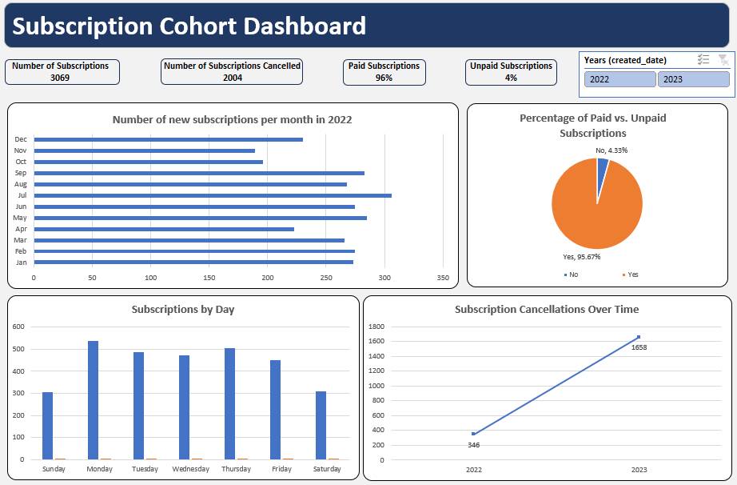
Instructions for Students:
Data Prepration:
1. Create a new column Cancellation Duration. This will contain the difference between date created and cancelled in days.
2. Create another column to show the weekday when the subscription was created.
Data Analysis Tasks:
1. Calculate the total number of subscriptions and cancellations.
2. Determine the percentage of paid vs. unpaid subscriptions.
3. Analyze the average subscription duration before cancellation.
4. Identify the date with the highest number of new subscriptions.
5. Find the proportion of subscriptions that were canceled within one day.
Visualization & Reporting:
1. Create a bar chart showing the number of new subscriptions per month for year 2022.
2. Generate a pie chart displaying the percentage of paid vs. unpaid subscriptions.
3. Plot a line graph of subscription cancellations over time.
Questions for Analysis:
1. Which date had the highest number of subscriptions cancellations?
2. How many subscriptions were canceled on the same day they were created?
3. What is the cancellation rate within the first two days of subscription?
4. How many subscriptions lasted more than one month?
5. What is the most common duration before cancellation?
6. How does the number of subscriptions vary by day?
7. Are there any indications that unpaid subscriptions have a higher cancellation rate?
Prepare a Dashboard based on your findings.

Expected Dashboard

Subscription Cohort Dashboard
New subscriptions per month in 2022
 | Total
Jan | 273
Feb | 275
Mar | 266
Apr | 223
May | 285
Jun | 275
Jul | 306
Aug | 268
Sep | 283
Oct | 196
Nov | 189
Dec | 230
Percentage of Paid vs. Unpaid Subscriptions
 | Total
No | 4.33%
Yes | 95.67%
Subscription Cancellation Over Time
 | Total
2022 | 719
2023 | 1285
Subscription by Day
 | Total
Monday | 539
Tuesday | 487
Wednesday | 472
Thursday | 505
Friday | 452
Saturday | 308
Sunday | 306
Number of Subscriptions
3069
Number of Subscriptions Cancelled
2004
Paid Subscriptions (% of Total)
95.67%
Unpaid Subscriptions (% of Total)
4.33%
Subscription Cohort Dashboard

